Ad group impression share with
Source | Campaign Name | Ad Group | Impressions | Clicks | Cost |  |  |  | Ad Group | Regex | Impressions | Clicks | Cost
Bing | Remarketing | Sweater Buyers | 161 | 15 | $46.91 | Google |  |  | Sweater Buyers | Sweater.* | 1210 | 85 | $146.46
Google | Python Brand | Mug Buyers | 114 | 27 | $45.70 |  |  |  | Mug Buyers | Mug.* | 1067 | 92 | $130.57
Bing | pandas Brand | Mug Buyers | 115 | 9 | $43.77 |  |  |  | Tee Shirt Buyers | Tee.* | 1567 | 101 | $161.66
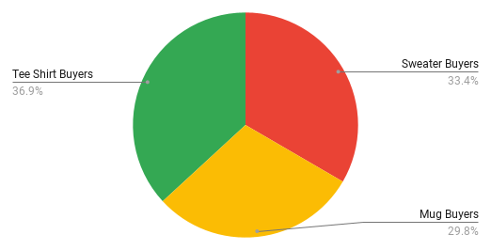
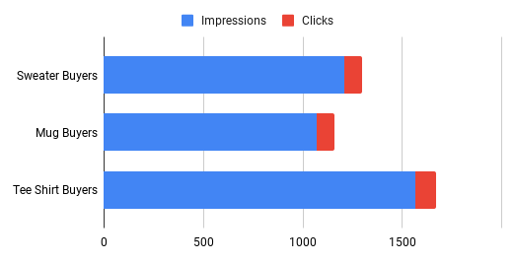
Google | Competitors | Tee Shirt Buyers | 462 | 26 | $43.39
Google | Competitors | Mug Buyers | 169 | 20 | $42.23
Google | DataCamp Brand | Sweater Buyers | 189 | 13 | $39.68
Bing | Python Brand | Mug Buyers | 294 | 19 | $39.06
Bing | Competitors | Mug Buyers | 248 | 11 | $38.93
Google | Competitors | Sweater Buyers | 296 | 16 | $36.59
Google | Python Brand | Tee Shirt Buyers | 143 | 15 | $35.55
Google | pandas Brand | Sweater Buyers | 219 | 14 | $32.53
Bing | Python Brand | Sweater Buyers | 177 | 14 | $31.89
Google | Remarketing | Tee Shirt Buyers | 483 | 27 | $30.76
Google | pandas Brand | Mug Buyers | 320 | 21 | $29.92
Bing | Competitors | Tee Shirt Buyers | 207 | 13 | $29.45
Google | pandas Brand | Tee Shirt Buyers | 158 | 22 | $29.19
Google | Remarketing | Sweater Buyers | 323 | 15 | $24.75 | Source | Campaign Name | Ad Group | Impressions | Clicks | Cost
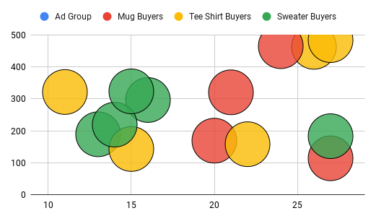
Bing | pandas Brand | Tee Shirt Buyers | 144 | 7 | $24.04 | Google | Python Brand | Mug Buyers | 114 | 27 | $45.70
Bing | DataCamp Brand | Sweater Buyers | 182 | 8 | $23.04 | Google | Competitors | Tee Shirt Buyers | 462 | 26 | $43.39
Google | DataCamp Brand | Tee Shirt Buyers | 321 | 11 | $22.75 | Google | Competitors | Mug Buyers | 169 | 20 | $42.23
Bing | pandas Brand | Sweater Buyers | 277 | 19 | $17.80 | Google | DataCamp Brand | Sweater Buyers | 189 | 13 | $39.68
Bing | DataCamp Brand | Mug Buyers | 189 | 13 | $15.15 | Google | Competitors | Sweater Buyers | 296 | 16 | $36.59
Bing | Remarketing | Tee Shirt Buyers | 257 | 20 | $13.07 | Google | Python Brand | Tee Shirt Buyers | 143 | 15 | $35.55
Bing | Competitors | Sweater Buyers | 165 | 12 | $12.97 | Google | pandas Brand | Sweater Buyers | 219 | 14 | $32.53
Google | Python Brand | Sweater Buyers | 183 | 27 | $12.92 | Google | Remarketing | Tee Shirt Buyers | 483 | 27 | $30.76
Google | DataCamp Brand | Mug Buyers | 464 | 24 | $12.72 | Google | pandas Brand | Mug Buyers | 320 | 21 | $29.92
Bing | DataCamp Brand | Tee Shirt Buyers | 273 | 8 | $11.74 | Google | pandas Brand | Tee Shirt Buyers | 158 | 22 | $29.19
Bing | Python Brand | Tee Shirt Buyers | 279 | 15 | $11.51 | Google | Remarketing | Sweater Buyers | 323 | 15 | $24.75
 |  |  |  |  |  | Google | DataCamp Brand | Tee Shirt Buyers | 321 | 11 | $22.75
 |  |  |  |  |  | Google | Python Brand | Sweater Buyers | 183 | 27 | $12.92
 |  |  |  |  |  | Google | DataCamp Brand | Mug Buyers | 464 | 24 | $12.72

Ad group metrics with a bar cha
Source | Campaign Name | Ad Group | Impressions | Clicks | Cost |  |  |  | Ad Group | Regex | Impressions | Clicks | Cost
Bing | Remarketing | Sweater Buyers | 161 | 15 | $46.91 | Bing |  |  | Sweater Buyers | Sweater.* | 962 | 68 | $132.61
Google | Python Brand | Mug Buyers | 114 | 27 | $45.70 |  |  |  | Mug Buyers | Mug.* | 846 | 52 | $136.91
Bing | pandas Brand | Mug Buyers | 115 | 9 | $43.77 |  |  |  | Tee Shirt Buyers | Tee.* | 1160 | 63 | $89.81
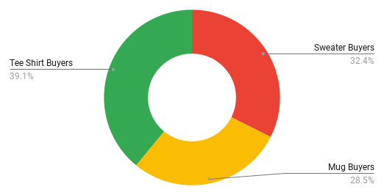
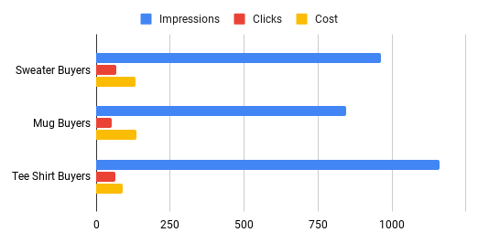
Google | Competitors | Tee Shirt Buyers | 462 | 26 | $43.39
Google | Competitors | Mug Buyers | 169 | 20 | $42.23
Google | DataCamp Brand | Sweater Buyers | 189 | 13 | $39.68
Bing | Python Brand | Mug Buyers | 294 | 19 | $39.06
Bing | Competitors | Mug Buyers | 248 | 11 | $38.93
Google | Competitors | Sweater Buyers | 296 | 16 | $36.59
Google | Python Brand | Tee Shirt Buyers | 143 | 15 | $35.55
Google | pandas Brand | Sweater Buyers | 219 | 14 | $32.53
Bing | Python Brand | Sweater Buyers | 177 | 14 | $31.89
Google | Remarketing | Tee Shirt Buyers | 483 | 27 | $30.76
Google | pandas Brand | Mug Buyers | 320 | 21 | $29.92
Bing | Competitors | Tee Shirt Buyers | 207 | 13 | $29.45
Google | pandas Brand | Tee Shirt Buyers | 158 | 22 | $29.19
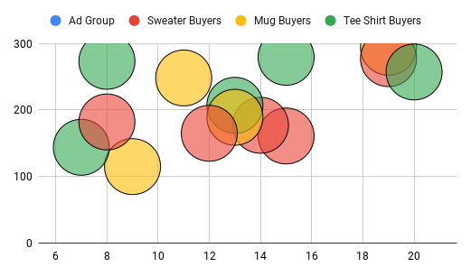
Google | Remarketing | Sweater Buyers | 323 | 15 | $24.75 | Source | Campaign Name | Ad Group | Impressions | Clicks | Cost
Bing | pandas Brand | Tee Shirt Buyers | 144 | 7 | $24.04 | Bing | Remarketing | Sweater Buyers | 161 | 15 | $46.91
Bing | DataCamp Brand | Sweater Buyers | 182 | 8 | $23.04 | Bing | pandas Brand | Mug Buyers | 115 | 9 | $43.77
Google | DataCamp Brand | Tee Shirt Buyers | 321 | 11 | $22.75 | Bing | Python Brand | Mug Buyers | 294 | 19 | $39.06
Bing | pandas Brand | Sweater Buyers | 277 | 19 | $17.80 | Bing | Competitors | Mug Buyers | 248 | 11 | $38.93
Bing | DataCamp Brand | Mug Buyers | 189 | 13 | $15.15 | Bing | Python Brand | Sweater Buyers | 177 | 14 | $31.89
Bing | Remarketing | Tee Shirt Buyers | 257 | 20 | $13.07 | Bing | Competitors | Tee Shirt Buyers | 207 | 13 | $29.45
Bing | Competitors | Sweater Buyers | 165 | 12 | $12.97 | Bing | pandas Brand | Tee Shirt Buyers | 144 | 7 | $24.04
Google | Python Brand | Sweater Buyers | 183 | 27 | $12.92 | Bing | DataCamp Brand | Sweater Buyers | 182 | 8 | $23.04
Google | DataCamp Brand | Mug Buyers | 464 | 24 | $12.72 | Bing | pandas Brand | Sweater Buyers | 277 | 19 | $17.80
Bing | DataCamp Brand | Tee Shirt Buyers | 273 | 8 | $11.74 | Bing | DataCamp Brand | Mug Buyers | 189 | 13 | $15.15
Bing | Python Brand | Tee Shirt Buyers | 279 | 15 | $11.51 | Bing | Remarketing | Tee Shirt Buyers | 257 | 20 | $13.07
 |  |  |  |  |  | Bing | Competitors | Sweater Buyers | 165 | 12 | $12.97
 |  |  |  |  |  | Bing | DataCamp Brand | Tee Shirt Buyers | 273 | 8 | $11.74
 |  |  |  |  |  | Bing | Python Brand | Tee Shirt Buyers | 279 | 15 | $11.51

Campaign and ad group analysis
Source | Campaign Name | Ad Group | Impressions | Clicks | Cost |  |  |  | Ad Group | Regex | Impressions | Clicks | Cost
Bing | Remarketing | Sweater Buyers | 161 | 15 | $46.91 | Google |  |  | Sweater Buyers | Sweater.* | 1210 | 85 | $146.46
Google | Python Brand | Mug Buyers | 114 | 27 | $45.70 |  |  |  | Mug Buyers | Mug.* | 1067 | 92 | $130.57
Bing | pandas Brand | Mug Buyers | 115 | 9 | $43.77 |  |  |  | Tee Shirt Buyers | Tee.* | 1567 | 101 | $161.66
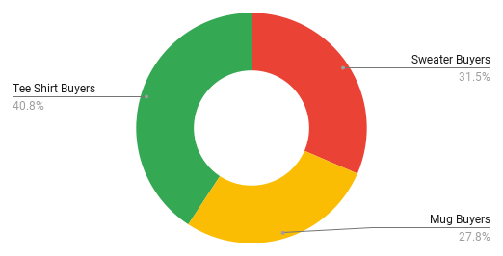
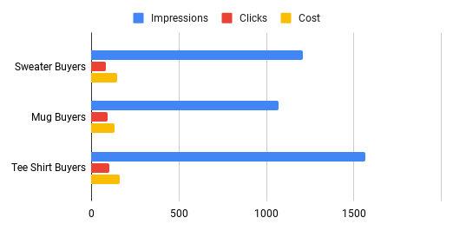
Google | Competitors | Tee Shirt Buyers | 462 | 26 | $43.39
Google | Competitors | Mug Buyers | 169 | 20 | $42.23
Google | DataCamp Brand | Sweater Buyers | 189 | 13 | $39.68
Bing | Python Brand | Mug Buyers | 294 | 19 | $39.06
Bing | Competitors | Mug Buyers | 248 | 11 | $38.93
Google | Competitors | Sweater Buyers | 296 | 16 | $36.59
Google | Python Brand | Tee Shirt Buyers | 143 | 15 | $35.55
Google | pandas Brand | Sweater Buyers | 219 | 14 | $32.53
Bing | Python Brand | Sweater Buyers | 177 | 14 | $31.89
Google | Remarketing | Tee Shirt Buyers | 483 | 27 | $30.76
Google | pandas Brand | Mug Buyers | 320 | 21 | $29.92
Bing | Competitors | Tee Shirt Buyers | 207 | 13 | $29.45
Google | pandas Brand | Tee Shirt Buyers | 158 | 22 | $29.19
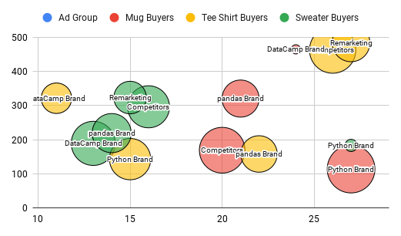
Google | Remarketing | Sweater Buyers | 323 | 15 | $24.75 | Source | Campaign Name | Ad Group | Impressions | Clicks | Cost
Bing | pandas Brand | Tee Shirt Buyers | 144 | 7 | $24.04 | Google | Python Brand | Mug Buyers | 114 | 27 | $45.70
Bing | DataCamp Brand | Sweater Buyers | 182 | 8 | $23.04 | Google | Competitors | Tee Shirt Buyers | 462 | 26 | $43.39
Google | DataCamp Brand | Tee Shirt Buyers | 321 | 11 | $22.75 | Google | Competitors | Mug Buyers | 169 | 20 | $42.23
Bing | pandas Brand | Sweater Buyers | 277 | 19 | $17.80 | Google | DataCamp Brand | Sweater Buyers | 189 | 13 | $39.68
Bing | DataCamp Brand | Mug Buyers | 189 | 13 | $15.15 | Google | Competitors | Sweater Buyers | 296 | 16 | $36.59
Bing | Remarketing | Tee Shirt Buyers | 257 | 20 | $13.07 | Google | Python Brand | Tee Shirt Buyers | 143 | 15 | $35.55
Bing | Competitors | Sweater Buyers | 165 | 12 | $12.97 | Google | pandas Brand | Sweater Buyers | 219 | 14 | $32.53
Google | Python Brand | Sweater Buyers | 183 | 27 | $12.92 | Google | Remarketing | Tee Shirt Buyers | 483 | 27 | $30.76
Google | DataCamp Brand | Mug Buyers | 464 | 24 | $12.72 | Google | pandas Brand | Mug Buyers | 320 | 21 | $29.92
Bing | DataCamp Brand | Tee Shirt Buyers | 273 | 8 | $11.74 | Google | pandas Brand | Tee Shirt Buyers | 158 | 22 | $29.19
Bing | Python Brand | Tee Shirt Buyers | 279 | 15 | $11.51 | Google | Remarketing | Sweater Buyers | 323 | 15 | $24.75
 |  |  |  |  |  | Google | DataCamp Brand | Tee Shirt Buyers | 321 | 11 | $22.75
 |  |  |  |  |  | Google | Python Brand | Sweater Buyers | 183 | 27 | $12.92
 |  |  |  |  |  | Google | DataCamp Brand | Mug Buyers | 464 | 24 | $12.72

Add a campaign dropdown filter
Source | Campaign Name | Ad Group | Impressions | Clicks | Cost |  |  |  | Ad Group | Regex | Impressions | Clicks | Cost
Bing | Remarketing | Sweater Buyers | 161 | 15 | $46.91 | Google |  |  | Sweater Buyers | Sweater.* | 962 | 68 | $132.61
Google | Python Brand | Mug Buyers | 114 | 27 | $45.70 | Python Brand |  |  | Mug Buyers | Mug.* | 846 | 52 | $136.91
Bing | pandas Brand | Mug Buyers | 115 | 9 | $43.77 |  |  |  | Tee Shirt Buyers | Tee.* | 1160 | 63 | $89.81
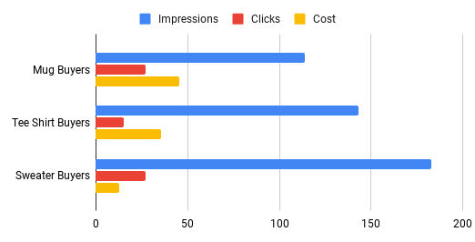
Google | Competitors | Tee Shirt Buyers | 462 | 26 | $43.39
Google | Competitors | Mug Buyers | 169 | 20 | $42.23
Google | DataCamp Brand | Sweater Buyers | 189 | 13 | $39.68
Bing | Python Brand | Mug Buyers | 294 | 19 | $39.06
Bing | Competitors | Mug Buyers | 248 | 11 | $38.93
Google | Competitors | Sweater Buyers | 296 | 16 | $36.59
Google | Python Brand | Tee Shirt Buyers | 143 | 15 | $35.55
Google | pandas Brand | Sweater Buyers | 219 | 14 | $32.53
Bing | Python Brand | Sweater Buyers | 177 | 14 | $31.89
Google | Remarketing | Tee Shirt Buyers | 483 | 27 | $30.76
Google | pandas Brand | Mug Buyers | 320 | 21 | $29.92
Bing | Competitors | Tee Shirt Buyers | 207 | 13 | $29.45
Google | pandas Brand | Tee Shirt Buyers | 158 | 22 | $29.19
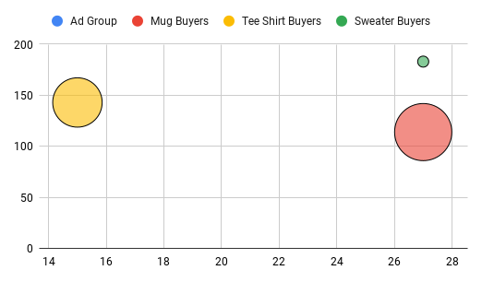
Google | Remarketing | Sweater Buyers | 323 | 15 | $24.75 | Source | Campaign Name | Ad Group | Impressions | Clicks | Cost
Bing | pandas Brand | Tee Shirt Buyers | 144 | 7 | $24.04 | Google | Python Brand | Mug Buyers | 114 | 27 | $45.70
Bing | DataCamp Brand | Sweater Buyers | 182 | 8 | $23.04 | Google | Python Brand | Tee Shirt Buyers | 143 | 15 | $35.55
Google | DataCamp Brand | Tee Shirt Buyers | 321 | 11 | $22.75 | Google | Python Brand | Sweater Buyers | 183 | 27 | $12.92
Bing | pandas Brand | Sweater Buyers | 277 | 19 | $17.80
Bing | DataCamp Brand | Mug Buyers | 189 | 13 | $15.15
Bing | Remarketing | Tee Shirt Buyers | 257 | 20 | $13.07
Bing | Competitors | Sweater Buyers | 165 | 12 | $12.97
Google | Python Brand | Sweater Buyers | 183 | 27 | $12.92
Google | DataCamp Brand | Mug Buyers | 464 | 24 | $12.72
Bing | DataCamp Brand | Tee Shirt Buyers | 273 | 8 | $11.74
Bing | Python Brand | Tee Shirt Buyers | 279 | 15 | $11.51

Apply dynamic filter to dashboa
Source | Campaign Name | Ad Group | Impressions | Clicks | Cost |  |  |  | Ad Group | Regex | Impressions | Clicks | Cost
Bing | Remarketing | Sweater Buyers | 161 | 15 | $46.91 | Google |  |  | Sweater Buyers | Sweater.* | 962 | 68 | $132.61
Google | Python Brand | Mug Buyers | 114 | 27 | $45.70 | pandas Brand |  |  | Mug Buyers | Mug.* | 846 | 52 | $136.91
Bing | pandas Brand | Mug Buyers | 115 | 9 | $43.77 |  |  |  | Tee Shirt Buyers | Tee.* | 1160 | 63 | $89.81
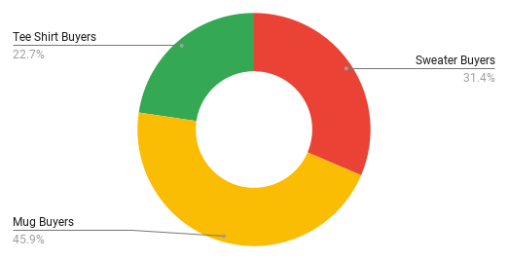
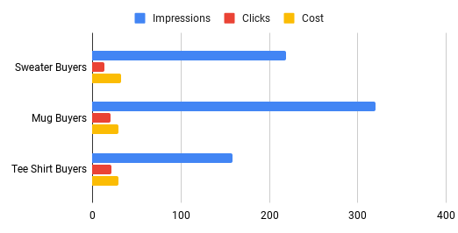
Google | Competitors | Tee Shirt Buyers | 462 | 26 | $43.39
Google | Competitors | Mug Buyers | 169 | 20 | $42.23
Google | DataCamp Brand | Sweater Buyers | 189 | 13 | $39.68
Bing | Python Brand | Mug Buyers | 294 | 19 | $39.06
Bing | Competitors | Mug Buyers | 248 | 11 | $38.93
Google | Competitors | Sweater Buyers | 296 | 16 | $36.59
Google | Python Brand | Tee Shirt Buyers | 143 | 15 | $35.55
Google | pandas Brand | Sweater Buyers | 219 | 14 | $32.53
Bing | Python Brand | Sweater Buyers | 177 | 14 | $31.89
Google | Remarketing | Tee Shirt Buyers | 483 | 27 | $30.76
Google | pandas Brand | Mug Buyers | 320 | 21 | $29.92
Bing | Competitors | Tee Shirt Buyers | 207 | 13 | $29.45
Google | pandas Brand | Tee Shirt Buyers | 158 | 22 | $29.19
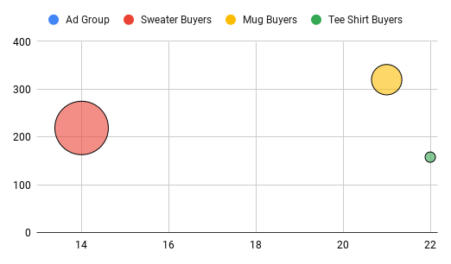
Google | Remarketing | Sweater Buyers | 323 | 15 | $24.75 | Source | Campaign Name | Ad Group | Impressions | Clicks | Cost
Bing | pandas Brand | Tee Shirt Buyers | 144 | 7 | $24.04 | Google | pandas Brand | Sweater Buyers | 219 | 14 | $32.53
Bing | DataCamp Brand | Sweater Buyers | 182 | 8 | $23.04 | Google | pandas Brand | Mug Buyers | 320 | 21 | $29.92
Google | DataCamp Brand | Tee Shirt Buyers | 321 | 11 | $22.75 | Google | pandas Brand | Tee Shirt Buyers | 158 | 22 | $29.19
Bing | pandas Brand | Sweater Buyers | 277 | 19 | $17.80
Bing | DataCamp Brand | Mug Buyers | 189 | 13 | $15.15
Bing | Remarketing | Tee Shirt Buyers | 257 | 20 | $13.07
Bing | Competitors | Sweater Buyers | 165 | 12 | $12.97
Google | Python Brand | Sweater Buyers | 183 | 27 | $12.92
Google | DataCamp Brand | Mug Buyers | 464 | 24 | $12.72
Bing | DataCamp Brand | Tee Shirt Buyers | 273 | 8 | $11.74
Bing | Python Brand | Tee Shirt Buyers | 279 | 15 | $11.51

